1. Title Page
[Grocery Basket Analysis]

Project Name: Instacart Grocery Basket Analysis
Date: 8/29/2022
Analyst Name: Lilly Hooper

Contents:
Population Flow
Consistency checks
Wrangling steps
Column derivations
Visualizations
Recommendations

2. Population Flow
Title page

Population flow

Exclusion flag
Condition: max_order <
Obervations to be removed:
Final total count of order_products_all:

Orders_products_combined
Orders_products_merged
Orders_products_all

Total: 32404859
Total: 32434489
Total: 32404859

1.) The grey boxes in the first row of the population flow represent the original data sets as they were when you downloaded them. In the Total fields you need to add the count of the rows when you imported the data set into Jupyter.
2.) The second row of boxes (coloured) represents the data sets after you manipulated them, e.g., removed missing values and duplicates. In the Total fields you need to add the count of the rows after conducting these operations. This offers a visual oveview of how the data flows throughout the data consistency checks.
3.) The third row, where also the arrows are coloured, represents the merges you performed between the datasets. In the Total fields you need to add the count of the rows in the merged datasets, so that you end up with the final dataset (in the red box). Keep in mind the final dataset should be without exclusions (based on the exclusion flag).

3. Consistency checks
 |  |  |  | Title page
Consistency checks

Dataset | Missing values | Missing values treatment | Duplicates
orders | 206209 missing values in days since prior order column | create a flag column (prior_order) to indicate prior order or not | no duplicates
products | 16 rows missing product names | create new dataframe excluding missing value rows | 5 duplicate rows were dropped
orders_products_prior | none | none | none
customers | none | none | none

4. Wrangling steps
 |  |  |  | Title page
Wrangling steps

Columns dropped | Columns renamed | Columns' type changed | Comment/Reason
Customer: First Name |  |  | not needed
Customer: Surname |  |  | not needed
 | Orders: order dow: order day of week |  | easier to read
 | Orders: eval set to evaluation set |  | easier to read
 | Customer: n_dependants: number_dependants |  | easier to read
 |  | Customer: user id changed to string | no need to calculate on as it is assigned to each customer
 |  | Orders_Products_Combined user id changed to string | no need to calculate on as it is assigned to each customer
Orders: Eval_set |  |  | not needed fot analysis

5. Column derivations
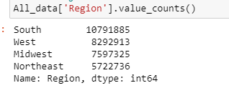

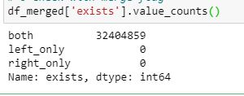
 |  |  |  | Title page

Column derivations and aggregations

In this tab you should add tables below that the frequences of flags/label variables that you produced after deriving them. NB: don't do this for continuous variables, only for flags.
Dataset | New column | Column/s it was derived from | Conditions
Orders | Prior_order | days_since_prior_order | Return true if there was not a prior order, false if there was
orders_products_merged | price_range_loc | prices | >15=high range product, <=15, >5= mid range product, <=5= low range product
orders_products_merged | busiest_day | order_dow | if value =0, busiest day, if value= 4 least busy, else regularly busy
orders_products_merged | busiest_days | order_dow | if value =0 or 1, busiest days, if value =3 or 4 least busy days else, regularly busy
orders_products_merged | busiest_period_of_day | order_hour_of_day | if value >=9 and <=16 most orders, if value <=6 fewest orders, else average orders
orders_products_merged | max_order | order_number | max order for customer
orders_products_merged | loyalty_flag | max_order | if max_order >40 then loyal customer, <= 40 and >10 regular customer, if <=10 new customer
orders_products_merged | mean_order | prices | mean prics for customer
orders_products_merged | spending_flag | mean_order | if mean_order<10, low spender, if >=10 high spender
orders_products_merged | median_days_since_prior_order | days_since_prior_order | median days since prior order for users
orders_products_merged | Frequency_Flag | median_days_since_prior_order | if median days since prior order >20 then Non-frequent customer, if >10 and <=20 then regular customer, if <=10 then frequent customer
orders_products_all | Region | STATE | Regions broken out based on given source (name of state)
orders_products_all | Activity | Max_Order | if max order>=5 normal, if max order <=5 low
orders_products_all | Age_Profile | Age | if Age is <=59 or >35 middle, if Age is >59 Old, if Age <=35 Young
orders_products_all | Income_Profile | income | if income <=50000 low, if income >50000 or <=150000 middle, if income >150000 high
orders_products_all | Dependants_Profile | number_dependants | if number dependants >0 dependants, if number dependants <=0 no dependants
orders_products_all | Alcohol_Consumer | department_id | if department_id =5, then 1 if department id not 5, then 0
orders_products_all | Baby_Profile | department_id | if department_id =18, then 1 if department id not 18, then 0
orders_products_all | Pet_Profile | department_id | if department_id =8, then 1 if department id not 8, then 0
orders_products_prior | _merge | flag column based on merge | list "both" if merged in both data sets
orders_products_combined | exists | flag column based on merge or products and orders_products combined

6. Visualizations
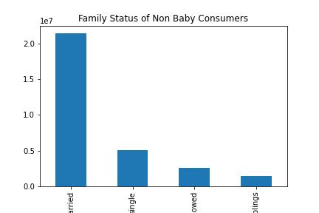
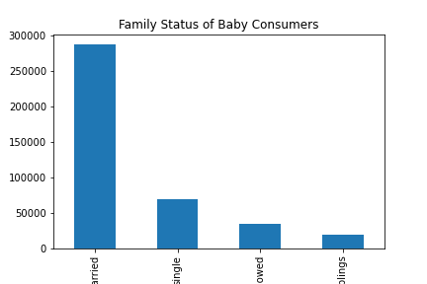
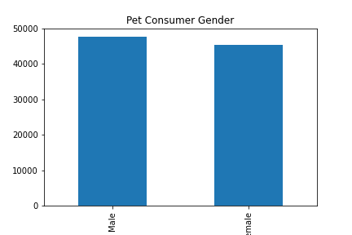
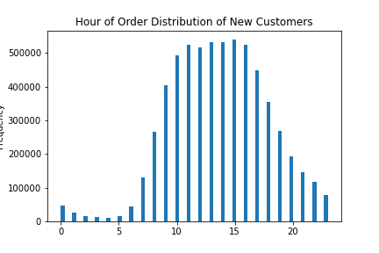
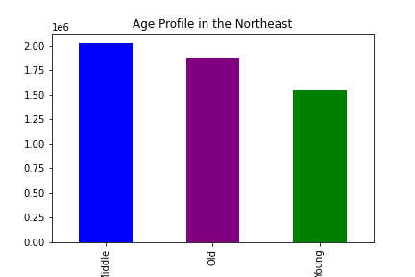
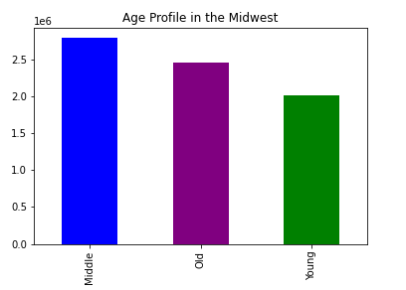
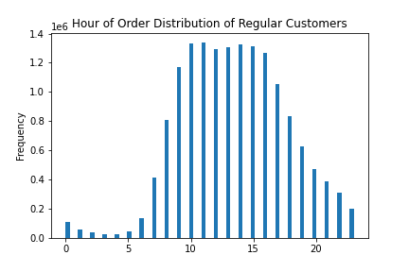
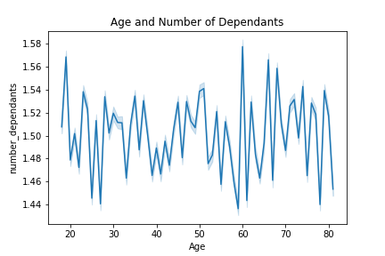
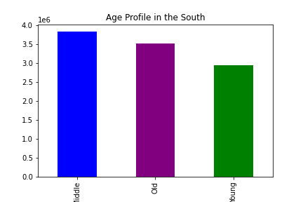
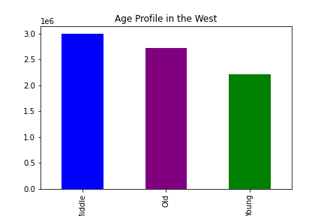
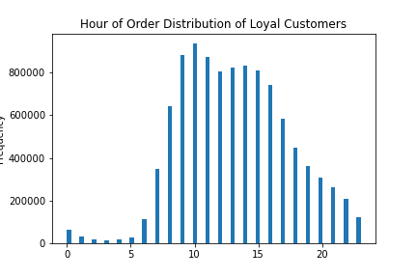
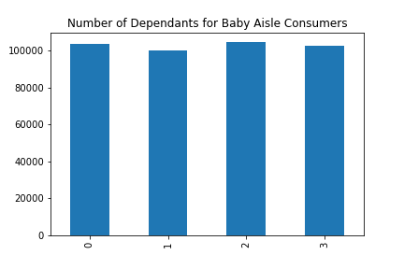
Title page

Visualisations

In this tab you should include all the visualtions from Exercises 4.9 and 4.10, alongside the questions from the project brief that they answer. Include any commentary on the relationship between different variables.

6. Are there differences in customer ordering habits based on region?
The bar graphs below analyze regions based on the spending of three major departments: baby, pet, and alcohol.
Based on the plots, spending does differ. The south region has the most purchases in all categories, but also has the most purchases in the baby and pet aisle. The northeast region has the fewest orders in these aisles.
8. What different classifications does demogrpahic information suggest?
Once the age of a consumer hits 40, their income significantly rises (as seen in the first line graph).
Based on the two scatter plots, you can see that there are more higher income alcohol consumers than pet consumers of all ages. In general, the incline of income once age 40 seems to exist on these scatter plots but appears much smoother than the total data line graph.
1. Busiest Day of Week and Hours of Day
The below bar graph shows the busiest days of the week. We can see that 0 and 1 are the busiest days of the week (saturday and sunday) while Wednesday is the least busiest in terms of orders.
THe Histogram shows the distribution of order hours. It shows that the busiest hours occue from hour10-hour 15. We can conclude that day time sees more customers, as suspected.
3. What products are more popular than others?
The below bar graph shows that department 4 is by far the highest seller department. That is the produce section. Departments 16 and 19 are the second and third best sellers (dairy and snacks). The other and bulk departments are the lowest sellers.

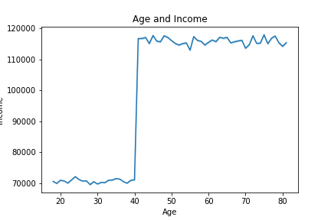

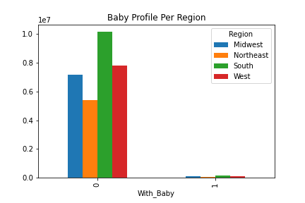
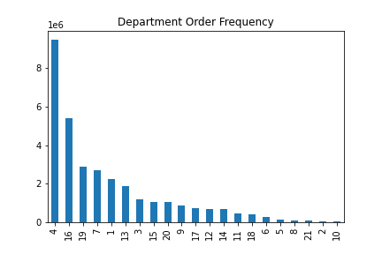
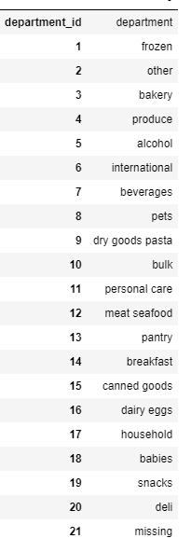
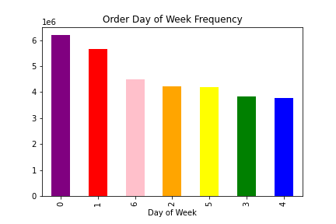

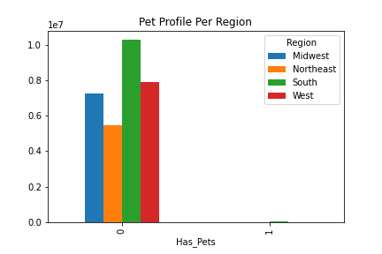
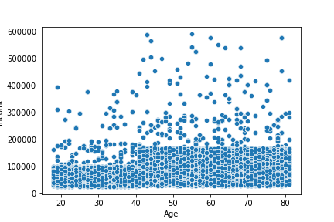
Age and Income of Pet Consumers

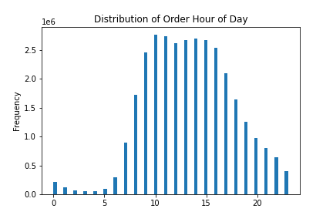

4. What is the Distribution amoung users in regards to brand loyalty?
Per the loyalty flag perviosuly stated (if max orders are greater than 40, loyal. If max orders are lower than 10, new): the distribution shows that the majority of customers fall under the regular customer category. There are the fewest new customers.

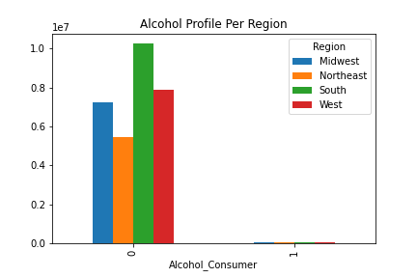
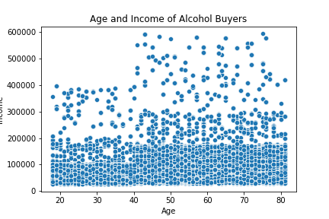

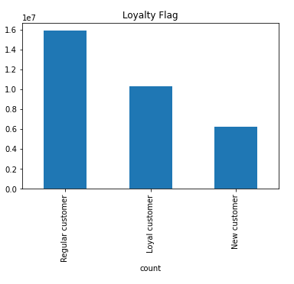

2. When are customers spending the most money?
The line graph below shows the order hour of day along with the total prices of orders during that time. This shows that customers are paying the most for items that they are getting in the very early morning (hours 0-5).

7. Is there a connection between age and familly status in terms of ordering habits?
Based on the bar graphs below, you can see that the south has the highest middle aged population. The Northeast has the lowest young population
The family status of baby aisle consumers varies. While the majority of baby aisle consumers are married, some consumers were single.

9. What differences are there in ordering habits?
A few other factors that have yet to be discussed are the gender and dependant categories. There are more male gender consumers of pet supplies.
Contrary to popular belief, the age and number of dependants fluctuates as seen in the line graph below. One important note to make regarding the baby aisle consumer profile is the number of dependants of the consumers. Based on the last bar grapgh. you can see that baby aisle consumers, do not always have a dependant. It appears to be individuals who are buying for another person with a baby.
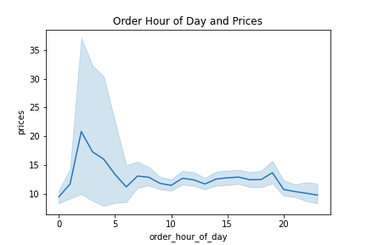
5. Are there differences in ordering habits based on a customer's loaylty status?
Based on the three hsitograms below, you can tell that there are some minor differences in the order hour of day between customer loyalties.
Loyal customers spend the most during hour 10 of the day while new and regular customers are a little more evenly distributed. New customers seem to spend more in the evening hours.

7. Recommendations
 |  | Title page

Recommendations

In this tab you should include any recommendations you would made to Instcart in terms of their marketing strategy based on the questions posed in the brief. Every key question has been covered in the Tasks of the Exercises - here you need to add an item - a visualisation or table/crosstable that is showing the answer in the data, acompanied by a comment from you. Please, list the questions below and add the answer underneath.

Question | Answer
Key Question 1 | I would recommend that the marketing team market towards consumers who appear on the busiest days (Saturday and sundays).
Key Question 2 | Higher priced items are purchased in the night and early morning (possible emergency essential runs for consumers). I would recommend marleting higher priced items during these times, potentially with more signage.
Key Question 3 | Produce, snacks, and dairy are high sellers. I would recommend continuing to push sales in those departments.
Key Question 4 | I would recommend continuing to promote loyalty by potnetially running promotionals in app. If you can push some of the regular customers to the loyal customer status, it could help boost sales.
Key Question 5 | I would recommend making an effort to target these loyal customers during their prime day time ordering hours.
Key Question 6 | No recommendations
Key Question 7 | No recommendations
Key Question 8 | Alcohol can and should be marketed toward all demographics. The income of users significantly rises at age 40. If a user is 40+, the instacart team may target them with higher priced product ads.
Key Question 9 | The instacart team should target men and gender neutral audiences in regards to pet products. The team should also be weary when marketing baby products specifically to mothers as some of the consumers were buying products for children that were not their own.

